1. Title Page
Instacart Analysis Final Report

Project Name: Instacart Basket Analysis
Date: 12/14/2023
Analyst Name: Belinda Struchen

Contents:
Population Flow
Consistency checks
Wrangling steps
Column derivations
Visualizations
Recommendations

Data Citation:

“The Instacart Online Grocery Shopping Dataset 2017”, Accessed from www.instacart.com/datasets/grocery-shopping-2017 via Kaggle

2. Population Flow
Title page

Population flow

Exclusion flag
Condition: max_order <
Obervations to be removed:
Final total count of order_products_all:

Orders_products_combined
Orders_products_merged
Orders_products_customers_combined

Total: 32,404,859
Total: 32,434,489
Total: 32,404,859

1.) The grey boxes in the first row of the population flow represent the original data sets as they were when you downloaded them. In the Total fields you need to add the count of the rows when you imported the data set into Jupyter.
2.) The second row of boxes (coloured) represents the data sets after you manipulated them, e.g., removed missing values and duplicates. In the Total fields you need to add the count of the rows after conducting these operations. This offers a visual oveview of how the data flows throughout the data consistency checks.
3.) The third row, where also the arrows are coloured, represents the merges you performed between the datasets. In the Total fields you need to add the count of the rows in the merged datasets, so that you end up with the final dataset (in the red box). Keep in mind the final dataset should be without exclusions (based on the exclusion flag).

3. Consistency checks
 |  |  |  | Title page
Consistency checks

Dataset | Missing values | Missing values treatment | Duplicates
orders | "days_since_prior_order" had 206209 nulls | left the nulls in | There were no duplicates
products | "product_name" column was missing 16 values | Created a new df with only non-missing values | There were 5 duplicates, created a new df without the duplicates
orders_products_prior | no missing values | no missing values | no duplicates
customers | no missing values | no missing values | no duplicates

4. Wrangling steps
 |  |  |  | Title page
Wrangling steps

Columns dropped | Columns renamed | Columns' type changed | Comment/Reason
"eval_set" |  |  | column isn't relevant.
 | "order_dow" to "orders_day of week" |  | Changed column to something easier to understand.
 |  | "order_id" changed to str | converted it to make it easier when using describe
 |  | "user_id" changed to str | converted it to make it easier when using describe
 | "First Name" to "first_name" "Surname" to "last_name" "Gender" to "gender" "Age" to "age" "STATE" to "state" "n_dependants" to "number_of_dependants" "fam_status" to "marital_status" |  | names changed to make sense and be easily understood
"first_name" "last_name" |  |  | Ensure data privacy
 | "Unnamed: 0" changed to "department_id"

5. Column derivations
 |  |  |  | Title page

Column derivations and aggregations

In this tab you should add tables below that the frequences of flags/label variables that you produced after deriving them. NB: don't do this for continuous variables, only for flags.
Dataset | New column | Column/s it was derived from | Conditions
ords_prods_merged | price_label | prices | if a product is over 15 = "High-range product" If a product is equal to or less than 15 = "Mid-range product" If a product is equal to or under 5 = "Low-range product"
ords_prods_merged | busiest_day | orders_day_of_week | if value is 0 (Saturday) or 1 (Sunday) = "Busiest days" If value is 3 (Tuesday) or 4 (Wednesday) = "Slowest days" Else = "Regularly busy"
ords_prods_merged | busiest_period_of_day | order_hour_of_day | if value is between 10am and 4pm = "Most orders" If value is between 7am-9am or 5pm-8pm = "Average orders" Else = "Fewest orders"
ords_prods_merged | max_order | user_id order_number | return the max order number for each user id
ords_prods_merged | loyalty_flag | max_order | If max_order is more than 40 = "Loyal customer" If max_order is less than 40 and more than 10 = "Regular customer" If max_order is less than or equal to 10 = " New customer"
ords_prods_merged | mean_order | user_id prices | return the average price of item purchased for each user
ords_prods_merged | spending_flag | mean_order | If the mean of the prices of products purchased by a user is less than 10 = "Low spender" If the mean of the prices of products purchased by a user is more than or equal to 10 = "High spender"
ords_prods_merged | median_order | user_id days_since_prior_order | If the median of days_since_prior_order is more than 20 = "Non-frequent customer" If the median is more than 10 and lower than or equal to 20 = "Regular customer" If the median is less than or equal to 10 = "Frequent customer"
ords_prods_merged | region | state | split the US into regions (Northeast, Midwest, South, West)
df_active_customers | age_flag | age | created age groups, (18-29, 30-49, 50-81)
df_active_customers | income_flag | income | created income groups (under 65000, 65000-120000, over 120000)

6. Visualizations
Title page

Visualisations

What are the busiest days of the week?
What are the busiest hours of the week?

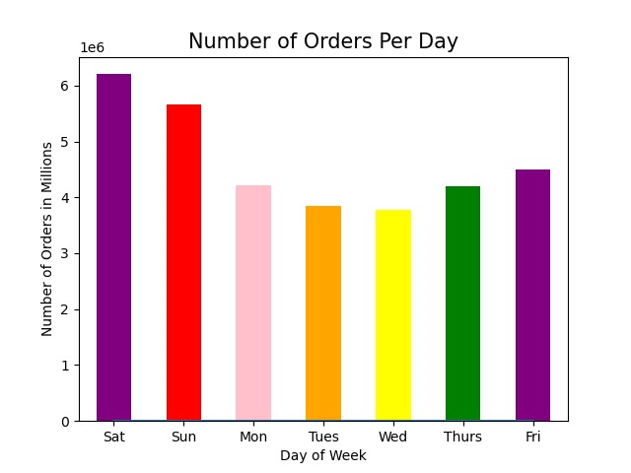


This chart shows what days have the most orders, it shows that the weekend (Friday, Saturday, and Sunday) have the most orders with mid-week days (Monday, Tuesday, Wednesday, and Thursday) having the least. The day with the least amount of orders is Wednesday.

In this chart we can see when the most orders are placed throughout the day. Most orders are placed between 9am and 4pm. In the evening, after 4pm the orders trail off.

Is there a particular time of day when people spend the most money?
Is there a particular day when people spend the most money?

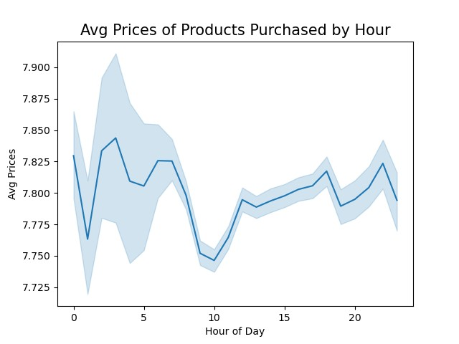
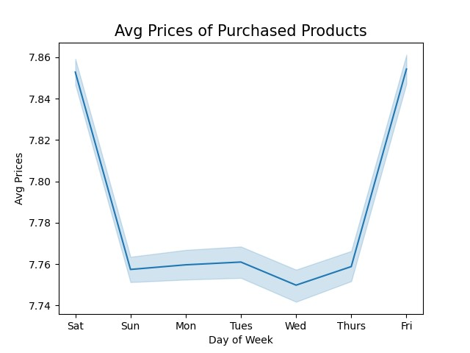

Here are the average prices of purchased products by day of the week, you can see on the weekend (Friday and Saturday) people tend to buy more expensive products

This chart shows the average prices of products purchased by hour. People tend to spend money are more expensive products between 3am and 7 am, with small peaks in the evening around 5pm and 9pm.

Create simpler price range groupings
Are there certain types of products that are more popular than others?

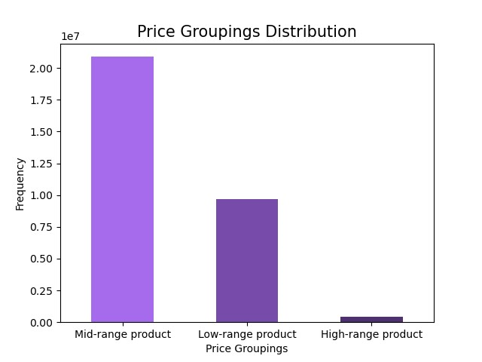
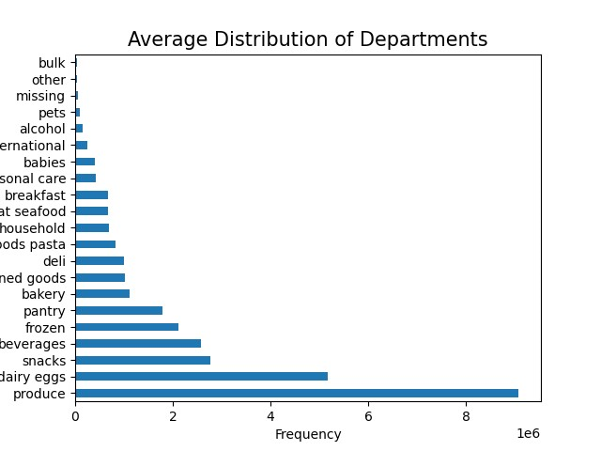

Simplier price range groupings were made, there are three groups, Low-range product (items $5 and under), Mid-range product (items equal to or less than $15), and High-range product (items more than $15). The chart shows that the most frequently bought items are mid-range products. The chart then goes on to show that low-range products are the second most bought items with high-range products being infrequently bought.

Here is a chart showing the average distribution of departments. It shows that people mostly buy products from the produce and dairy/eggs departments. It sorted them with the most purchased departments on the bottom.

What's the distribution among users in regards to their brand loyalty?
Are there differences in ordering habits based on a customer's loyalty status?

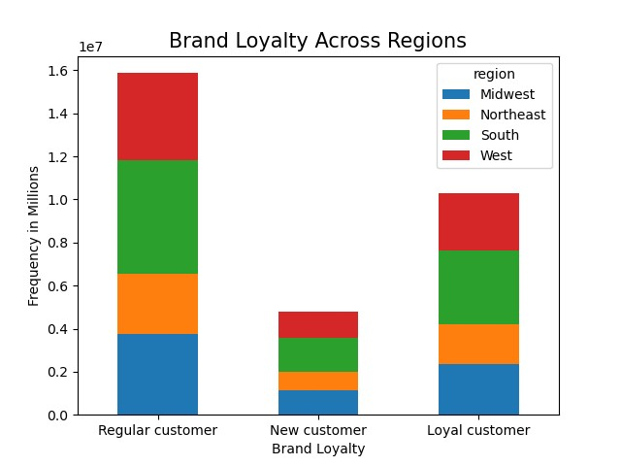
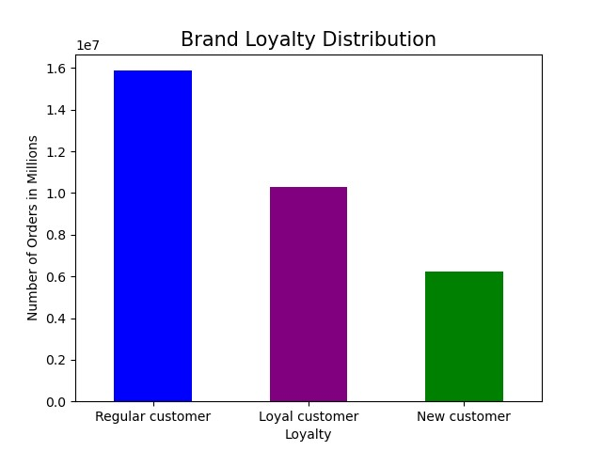

The chart is grouped by customer brand loyalty (New customer, Regular customer, and Loyal customer) and shows that regular customers make up a majority of the orders.

Here, the chart has grouped customers based on their brand loyalty, having three categories, New customers, Regular customers, and Loyal customers. It also splits up the United States based on four regions, Midwest, Northeast, South, and West. Based on the chart customers don't seem to be affected by what region they live in, they have similar buying habits no matter the region. Regular customers make up most of the orders, loyal customers are in the middle with new customers making up a small amount of the orders.

Is there a connection between age and family status in terms of ordering habits?

Are there differences in ordering habits based on a customer's region?

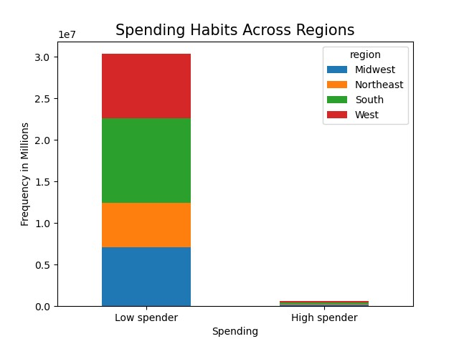
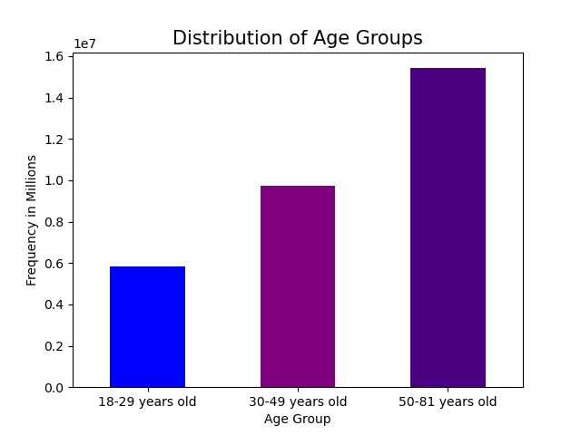
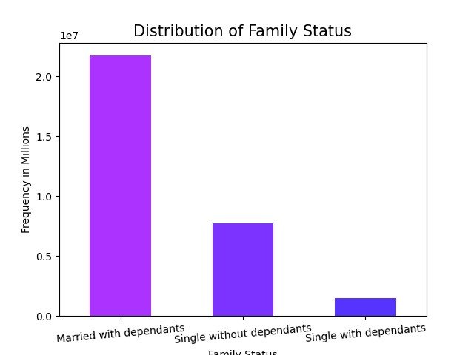

This chart has grouped customers by spending habits, categorizing them into two categories, Low spender (customers that purchase products that have a mean of less than $10) and High spender (customers that purchase products that have a mean that is equal to or less than $10) as well as by region of the United States, Midwest, Northeast, South, and West. It shows that the regions are also in agreement, most people, dispite what region they live in are mostly low spenders. High spenders are very low.

This chart has grouped customers by their family status, Married with dependants, single without dependants, and single with dependants. It shows the frequency of orders placed by these groups. Married with dependants has the highest number of orders and there's a significant drop to the next group, single without dependants. Single with dependants places the least amount of orders.

Here, the ages of customers are grouped into three categories, 18-29, 30-49, 50-81) and show that the 50-81 age group place the most amount of orders and then the 30-49 age group, and last the 18-29 age group.

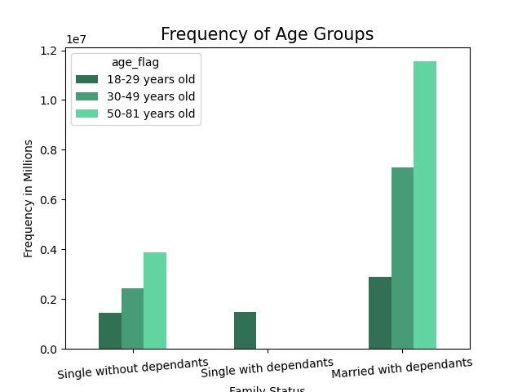

The three groups here are single without dependants, single with dependants, and married with dependants as well as the age groups that fall into those categories. In the single without dependants group it shows that there are people from all age groups in it, the youngest group, 18-29, has the least amount of orders with the 30-49 group above it, and the 50-81 group having the most.
When it comes to single with dependants, there is only one age group represented, 18-29.
In the married with dependants group, 18-29 has the least amount of orders, then the 30-49 group, and 50-81 group has the most orders.
The married with dependants group has the most orders out of all of them.
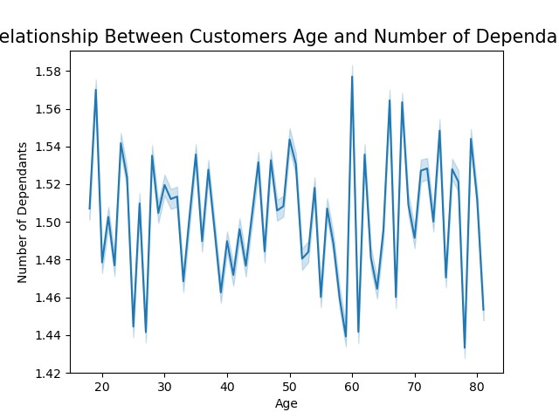

This shows the relationship between customers age and the number of dependants they have. There doesn't appear to be a set relation.

What different classifications does the demographic information suggest? Age? Income? Certain types of goods? Family status?

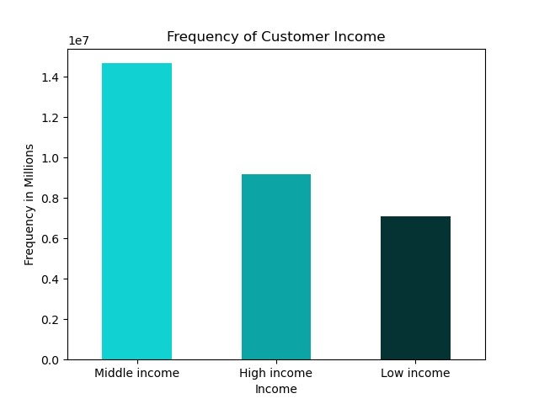
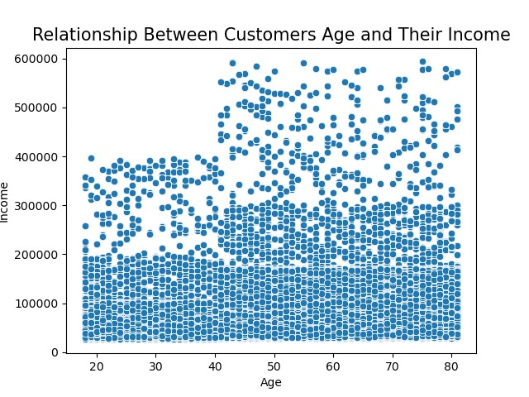
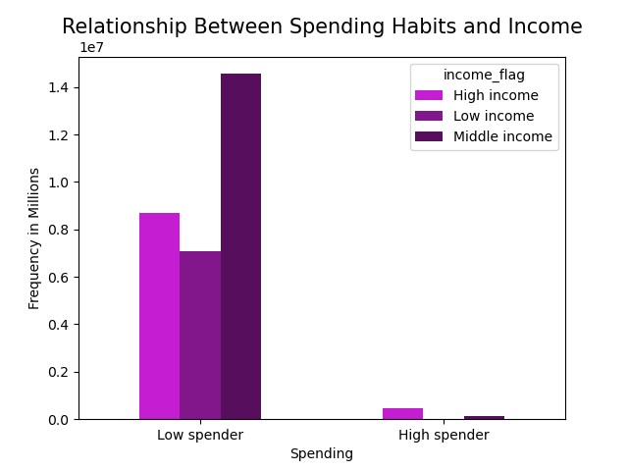

The income of customers have been grouped into three groups, low income (under $65,000), middle income (between $65,000 and $120,000) and high income (over $120,000). The middle income group places the most orders, the high income is in the middle and low income the least amount of orders.
Here, the groups are low spender and high spenders and which income group they fall into, low, middle, and high. Low spenders place the most orders, middle income placing more than the other two, low incomm e and high income aren't as far off from each other than they are to the middle income low spenders.
In the high spender category there are only two income groups represented, high income and middle income. The two place very few orders.

This chart shows the relationship between customers age and their income. It shows that customers over 40 have at max $400,000, but after 40 the max raises to around $600,000.

What differences can you find in ordering habits of different customer profiles?

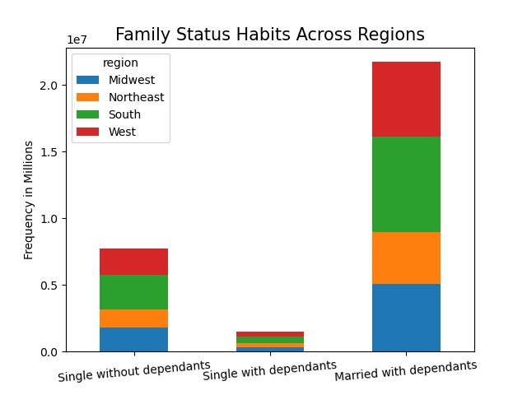
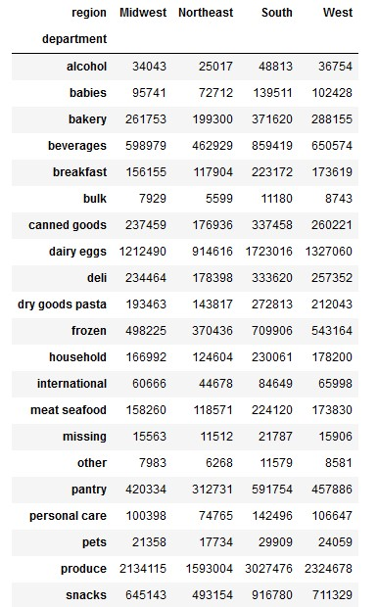
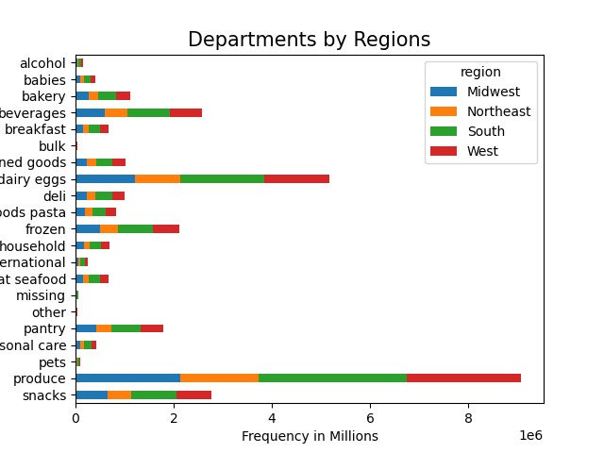

Here we can see what items are bought from each department in each region. The regions don't show a great deal of variance from each other.
Above is a chart showing the family status habits across the different regions. The regions all have similar habits, married with depenants is the category that places the most orders, no matter what region they're in. Single without dependants is next, and single with dependants has the least amount of orders.

above shows the breakdown of orders placed for items in the different departments by region.

7. Recommendations
 |  | Title page

Recommendations

Questions | Answers
What are the busiest days of the week and hours of the day? | Looking at the visualizations in the previous tab, the busiest days of the week are Saturday and Friday. The busiest hours of the day are between 9am and 4pm. People put in orders the most when they're off of work on the weekend during the day.
Are there particular times of the day when people spend the most money? | There are times of the day when people spend the most money and it's between 3am and 7am. According to the visualizations people spend the most in the middle of the night.
Can simpler price range groupings be made for products? | Price range groupings were made so that anything $5 and under is a "low-range product", anything equal to or less than $15 is a "mid-range product", and $15 and up is a "high-range product".
Are there certain types of products that are more popular than others? | The graphs show that the departments that sell the most are produce and dairy and eggs. People mostly spend money on food when placing an order.
What's the distribution amount users in regards to their brand loyalty? | Regular customers make up most of the orders with loyal customers right behind them. New customers make up a small amount of the orders.
Are there differences in ordering habits based on a customer's loyalty status and region? | Regular customers, no matter the region put in more orders than the other two groups. There is very little variance between the regions when it comes to customers loyalty status and ordering habits.
Is there a connection between age and family status in terms of ordering habits? | According to the graphs there doesn't seem to be a connection between family status and ordering habits. Customers in all regions seem to have similar habits no matter their different statuses.
What different classifications does the demographic information suggest? Age? Income? Certain types of goods? Family status? | The demographic information suggests that the older the customers are the higher their income. Although most people, no matter the income difference are low spenders.
What differences can you find in ordering habits of different customer profiles? | A majority of customers are married, have a 'middle income' (between $65000 and $120000), and spend more on produce and dairy products than anything else. Customers' ages don't appear to have any affect on their ordering habits. Customers in different regions also don't have a significant amount of differences in their ordering habits.

